Sheet1
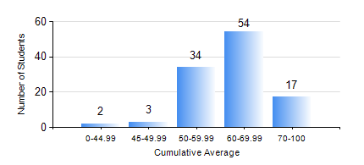
 |  |  | KWAME NKRUMAH UNIVERSITY OF SCIENCE AND TECHNOLOGY, KUMASI Department of Materials Engineering

 |  |  | BSC. MATERIALS ENG.

 |  |  | COMPREHENSIVE RECORD OF EXAMINATION RESULTS

 |  |  | RESULTS OF YEAR 2 SECOND SEMESTER, 2019/2020 ACADEMIC YEAR

 | Sn | Course Code |  | Course Name | Credit Hours | Min. Mark | Max. Mark | Avg. Mark | Std. Dev. | No. Passed | No. Trailed | No. (Df) | No. (I) | No. (I*) | No. Tagged(I,I*,Df) | Total
 | 0. |  |  |  |  |  |  | 0 | 0 | 0 | 0 | 0 | 0 | 0 | 0 | 10
 | 1. | MATH 252 |  | CALCULUS WITH SEVERAL VARIABLES | 4 | 40 | 90 | 69 | 12.3 | 99 | 0 | 0 | 1 | 0 | 1 | 100
 | 2. | MSE 252 |  | TRANSPORT PHENOMENA IN MATERIALS PROCESSING II | 3 | 40 | 86 | 68 | 10.06 | 95 | 0 | 0 | 5 | 0 | 5 | 100
 | 3. | MSE 254 |  | MATERIALS PROCESSING | 3 | 40 | 79 | 59 | 11.22 | 100 | 0 | 0 | 0 | 0 | 0 | 100
 | 4. | MSE 256 |  | ENVIRONMENTAL SCIENCE | 2 | 56 | 84 | 71 | 7.43 | 100 | 0 | 0 | 0 | 0 | 0 | 100
 | 5. | MSE 258 |  | PHYSICAL METALLURGY OF NON-FERROUS METALS | 2 | 41 | 82 | 64 | 8.67 | 95 | 0 | 0 | 5 | 0 | 5 | 100
 | 6. | MSE 260 |  | PHASE TRANSFORMATIONS | 2 | 40 | 85 | 61 | 11.86 | 95 | 0 | 0 | 5 | 0 | 5 | 100
 | 7. | MSE 262 |  | MATERIALS CHARACTERISATION TECHNIQUES | 2 | 65 | 87 | 77 | 4.02 | 100 | 0 | 0 | 0 | 0 | 0 | 100

